50nM Sumanirole(D2R) Sensitvity
Dorsolateral GPe (pA) | Baseline | Sumanirole (50nM) | Normalized | (%) | Baseline | Baseline (10min)
211228_c001 1-55 | 704.56130829 | 381.95390606 | 100 | 54.211592599 | After | Sumanirole (50nM) treatment for 10 min
220209_c001 1-70 | 797.48134413 | 375.41068125 | 100 | 47.074540867 | *Sumanirole: D2R specific agonist (Majorly activate D2Rs on presynaptic axon terminal)
220216_c002 1-76 | 770.07966461 | 364.54381695 | 100 | 47.338455188
220421_c001 1-73 | 464.45156403 | 229.89194183 | 100 | 49.497506229 |  | PPR increased with statistical significance after QP treatment
220526_c003 1-85 | 909.62269592 | 362.09960022 | 100 | 39.80766991 |  | No statistical significace in PPR change after QP treatment
220530_c003 1-78 | 1387.1885806 | 768.59938965 | 100 | 55.406986504
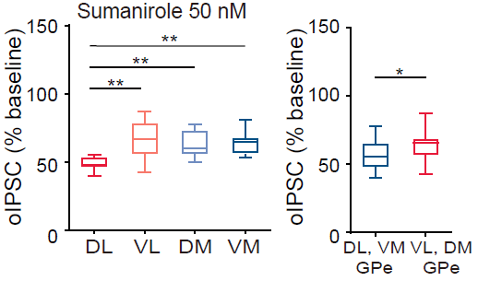
220601_c002 1-86 | 459.35664215 | 212.59763718 | 100 | 46.281607289
220601_c003 1-85 | 478.25109711 | 230.57655423 | 100 | 48.21244648

Ventrolateral GPe (pA) | Baseline | Sumanirole (50nM) | Normalized | (%)
220205_c001 1-73 | 571.07866936 | 470.39507833 | 100 | 82.369575956
220210_c001 1-70 | 647.34018679 | 275.81509361 | 100 | 42.607441843
220420_c001 1-53 | 1036.7430777 | 766.4041481 | 100 | 73.924211753
220526_c001 1-65 | 586.38847599 | 308.85874453 | 100 | 52.671353066
220530_c002 1-80 | 928.59487457 | 809.97916718 | 100 | 87.226323271
220601_c001 1-76 | 561.56610413 | 335.92830582 | 100 | 59.819904255
220602_c001 1-71 | 673.14504604 | 449.92160187 | 100 | 66.838730302
220602_c002 1-92 | 307.44423223 | 200.27260737 | 100 | 65.141117114
220614_c001 1-88 | 483.09381409 | 332.11312637 | 100 | 68.747128754

Dorsomedial GPe (pA) | Baseline | Sumanirole (50nM) | Normalized | (%)
220205_c003 1-92 | 861.07583122 | 430.60850334 | 100 | 50.008197621
211228_c003 1-54 | 491.18036804 | 373.50154572 | 100 | 76.041627479
220216_c001 1-57 | 783.01821899 | 437.12415543 | 100 | 55.825540814
220303_c001 1-64 | 644.71428833 | 386.28535309 | 100 | 59.915742536
220303_c002 1-70 | 527.32538223 | 410.10738525 | 100 | 77.771220402
220413_c002 1-82 | 317.10201721 | 186.63327255 | 100 | 58.855908327
220419_c001 1-88 | 403.88651524 | 290.25099354 | 100 | 71.864492274
220420_c004 1-98 | 1012.20084 | 585.36779716 | 100 | 57.831190613
220421_c002 1-63 | 916.72049866 | 497.31440506 | 100 | 54.249294718
220425_c002 1-65 | 631.57342682 | 459.85713444 | 100 | 72.811349387
220615_c001 1-75 | 547.16792145 | 326.27560921 | 100 | 59.629886259

Ventromedial GPe | Baseline | Sumanirole (50nM) | Normalized | (%)
220214_c002 1-89 | 1517.7437973 | 1023.9775836 | 100 | 67.467090649
220215_c004 1-78 | 624.82141113 | 330.66708374 | 100 | 52.921855405
220209_c002 1-73 | 880.17569733 | 474.74667375 | 100 | 53.937716662
211228_c004 1-68 | 521.73253479 | 348.70195618 | 100 | 66.83538651
220210_c002 1-91 | 717.51006165 | 471.69098511 | 100 | 65.739981963
220311_c002 1-100 | 1617.7854904 | 1307.8767626 | 100 | 80.843645238
220419_c003 1-76 | 579.89190788 | 383.00319366 | 100 | 66.047342351
220420_c002 1-81 | 670.70103455 | 379.18697586 | 100 | 56.535916352
220421_c003 1-82 | 788.46120911 | 479.27545853 | 100 | 60.786181107
220425_c001 1-85 | 1019.1393005 | 660.06951218 | 100 | 64.767349452
220615_c002 1-123 | 839.56595078 | 543.53022079 | 100 | 64.739431166

